Sheet1
Image | SKU | SKU Name | Units | sell prices | Retail | Packaging | UPC | GTIN
 | 1118930AA015 | Battle Bags | 5,731 | $15.00 | $49.99 | Retail | 0810043493031
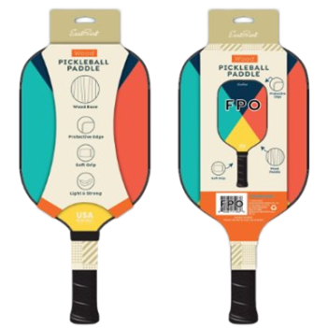 | 1124300AA001 | Wood Pickleball Paddle | 2,993 | $7.00 | $14.99 | Retail Peggable | 0840281710928 | 60840281710920
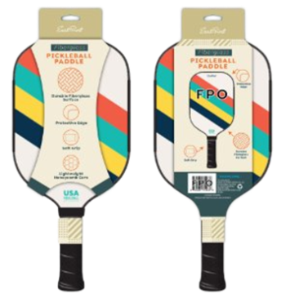 | 1124304AA001 | Fiberglass Pickleball Paddle | 2,993 | $8.00 | $19.99 | Retail Peggable | 0840281710904 | 60840281710906
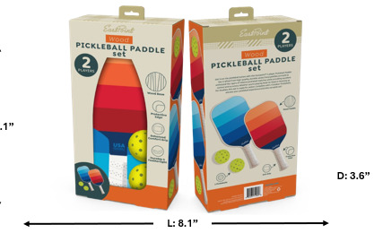 | 1124311AA001 | 2 Player Wood Pickleball Set | 2,994 | $10.00 | $29.99 | Retail Peggable | 0840281710898 | 30840281710899
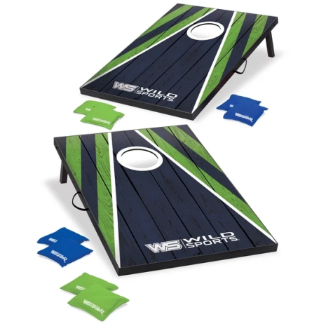 | 1116023ii015 | 2x3 Cornhole set | 2,115 | $24.00 | $89.99 | Retail | 810043493260 | 20810043493264
 |  |  | 16826

